Sheet1
Exception heirarchy as of 7/5/2016:
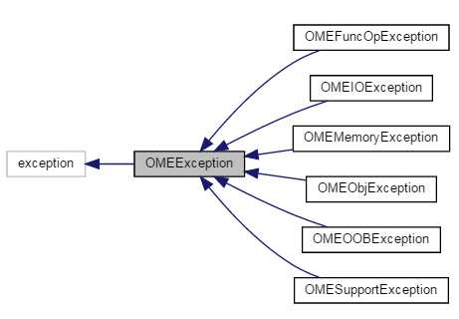

Exception | Purpose
OMEException | Base/general exception for OME problems.
OMEFuncOpException | Something went wrong when running an expression function.
OMEIOException | Something went wrong when loading/saving a file.
OMEMemoryException | Something went wrong with memory management.
OMEObjException | General exception for ModelCompenent-specific issues.
OMEOOBException | General-purpose Out-of-bounds exception.
OMESupportException | Designates when an unsupported feature is called.

